Tempest Characteristic
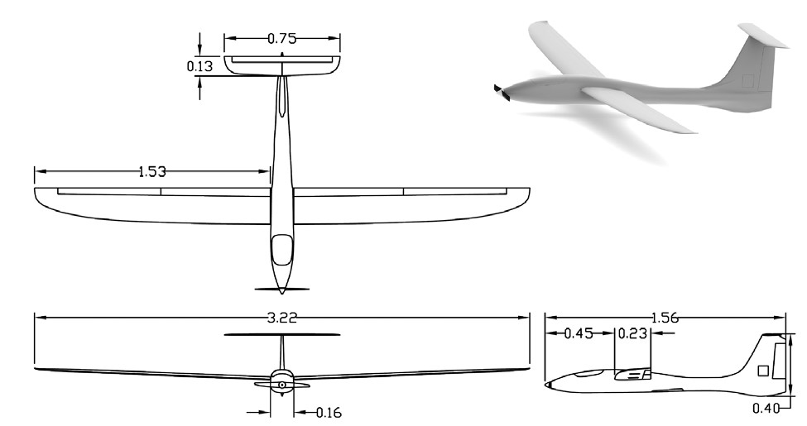
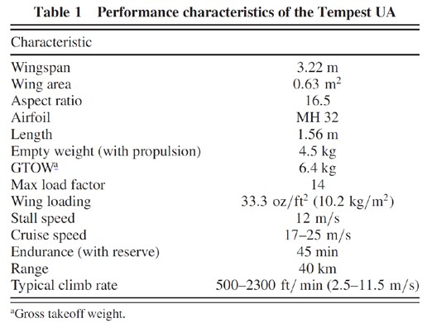

SOURCE: | Roadman, J., Elston, J., Argrow, B., and Frew, E., “Mission Performance of the Tempest Unmanned Aircraft System in Supercell Storms,” Journal of Aircraft, Vol. 49, No. 6, pp. 18211830 (2012).

Tempest MH32 2D Airfoil Data
Alpha | Cl | Cd | Re
-5 | -0.4166 | 0.04049 | 200000
-4 | -0.2734 | 0.02
-3 | -0.125 | 0.01439
-2 | 0.0032 | 0.01054
-1 | 0.2136 | 0.00976
0 | 0.3312 | 0.00933
1 | 0.4263 | 0.00906
2 | 0.5241 | 0.00898
3 | 0.6236 | 0.00928
4 | 0.7217 | 0.0101
5 | 0.8165 | 0.01133
6 | 0.9059 | 0.01314
7 | 0.9889 | 0.01573
8 | 1.0582 | 0.02012
9 | 1.1042 | 0.02723
10 | 1.1555 | 0.03641
11.25 | 1.1303 | 0.05193
12 | 1.097 | 0.06243

SOURCE: | http://airfoiltools.com/index

Boeing 747-200 Characteristics
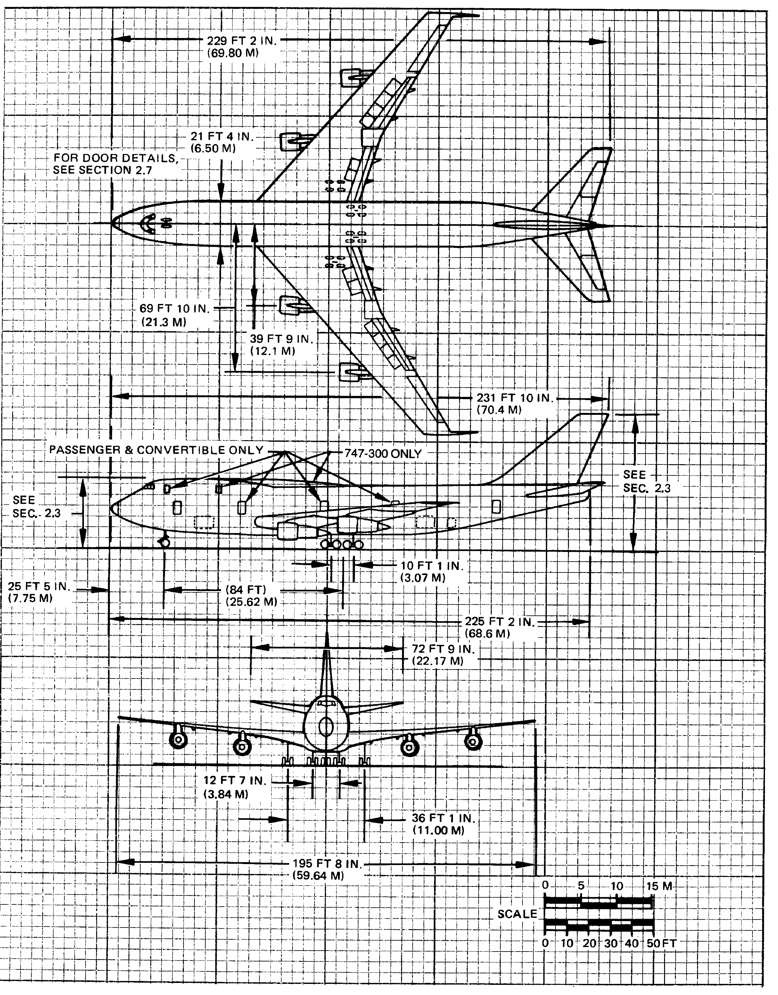
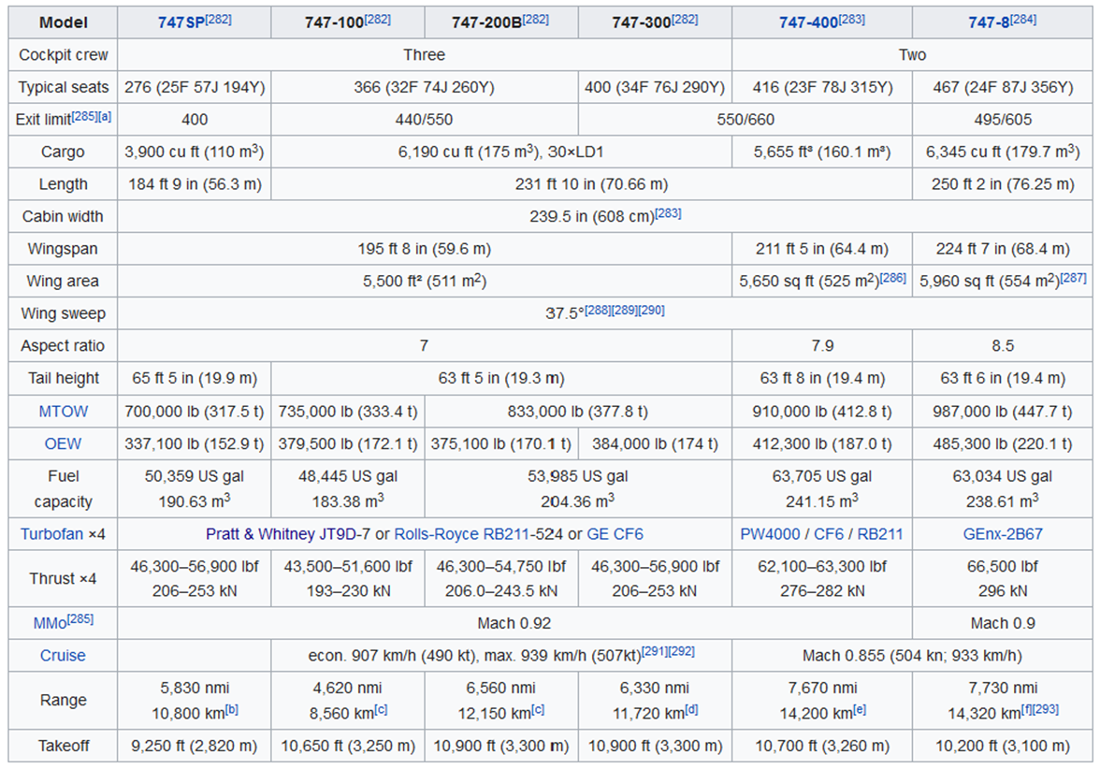

 |  | SOURCE: | https://en.wikipedia.org/wiki/Boeing_747#Specifications

SOURCE: | Boeing 747 Airplane Characteristics: Airport Planning, Boeing Commercial Airplane Company, May 1984
 | Full PDF file of this drawing can be found in your CANVAS lab materials module. You can use Adobe Acrobat to do
 | scaled measurements of this drawing where specific dimensions you may need are not shown.

 |  |  | Saarlas, M., Aircraft Performance, John Wiley & Sons, Inc., 2007

BOEING BACJ 2-D Airfoil Data
Alpha | Cl | Cd | Re
-5 | -0.3505 | 0.00953 | 1000000
-4 | -0.2514 | 0.00852
-3 | -0.1493 | 0.00741
-2 | -0.0318 | 0.00584
-1 | 0.0912 | 0.0055
0 | 0.2133 | 0.00509
1 | 0.3048 | 0.00506
2 | 0.318 | 0.00743
3 | 0.3925 | 0.00948
4 | 0.4889 | 0.01033
5 | 0.5855 | 0.01132
6 | 0.6808 | 0.01256
7 | 0.7744 | 0.01441
8 | 0.8721 | 0.01634
9 | 0.9729 | 0.02052
10 | 1.061 | 0.02498
11 | 1.1263 | 0.03112
12 | 0.9165 | 0.07156
13 | 0.7781 | 0.14138

SOURCE: | http://airfoiltools.com/index

Alpha | Cl
-5 | -0.3505
-4 | -0.2514
-3 | -0.1493
-2 | -0.0318
-1 | 0.0912
0 | 0.2133
1 | 0.3048
2 | 0.318
3 | 0.3925
4 | 0.4889
5 | 0.5855
6 | 0.6808
7 | 0.7744
8 | 0.8721
9 | 0.9729
10 | 1.061
11 | 1.1263

Boeing 747 Drag Polar (Truth)
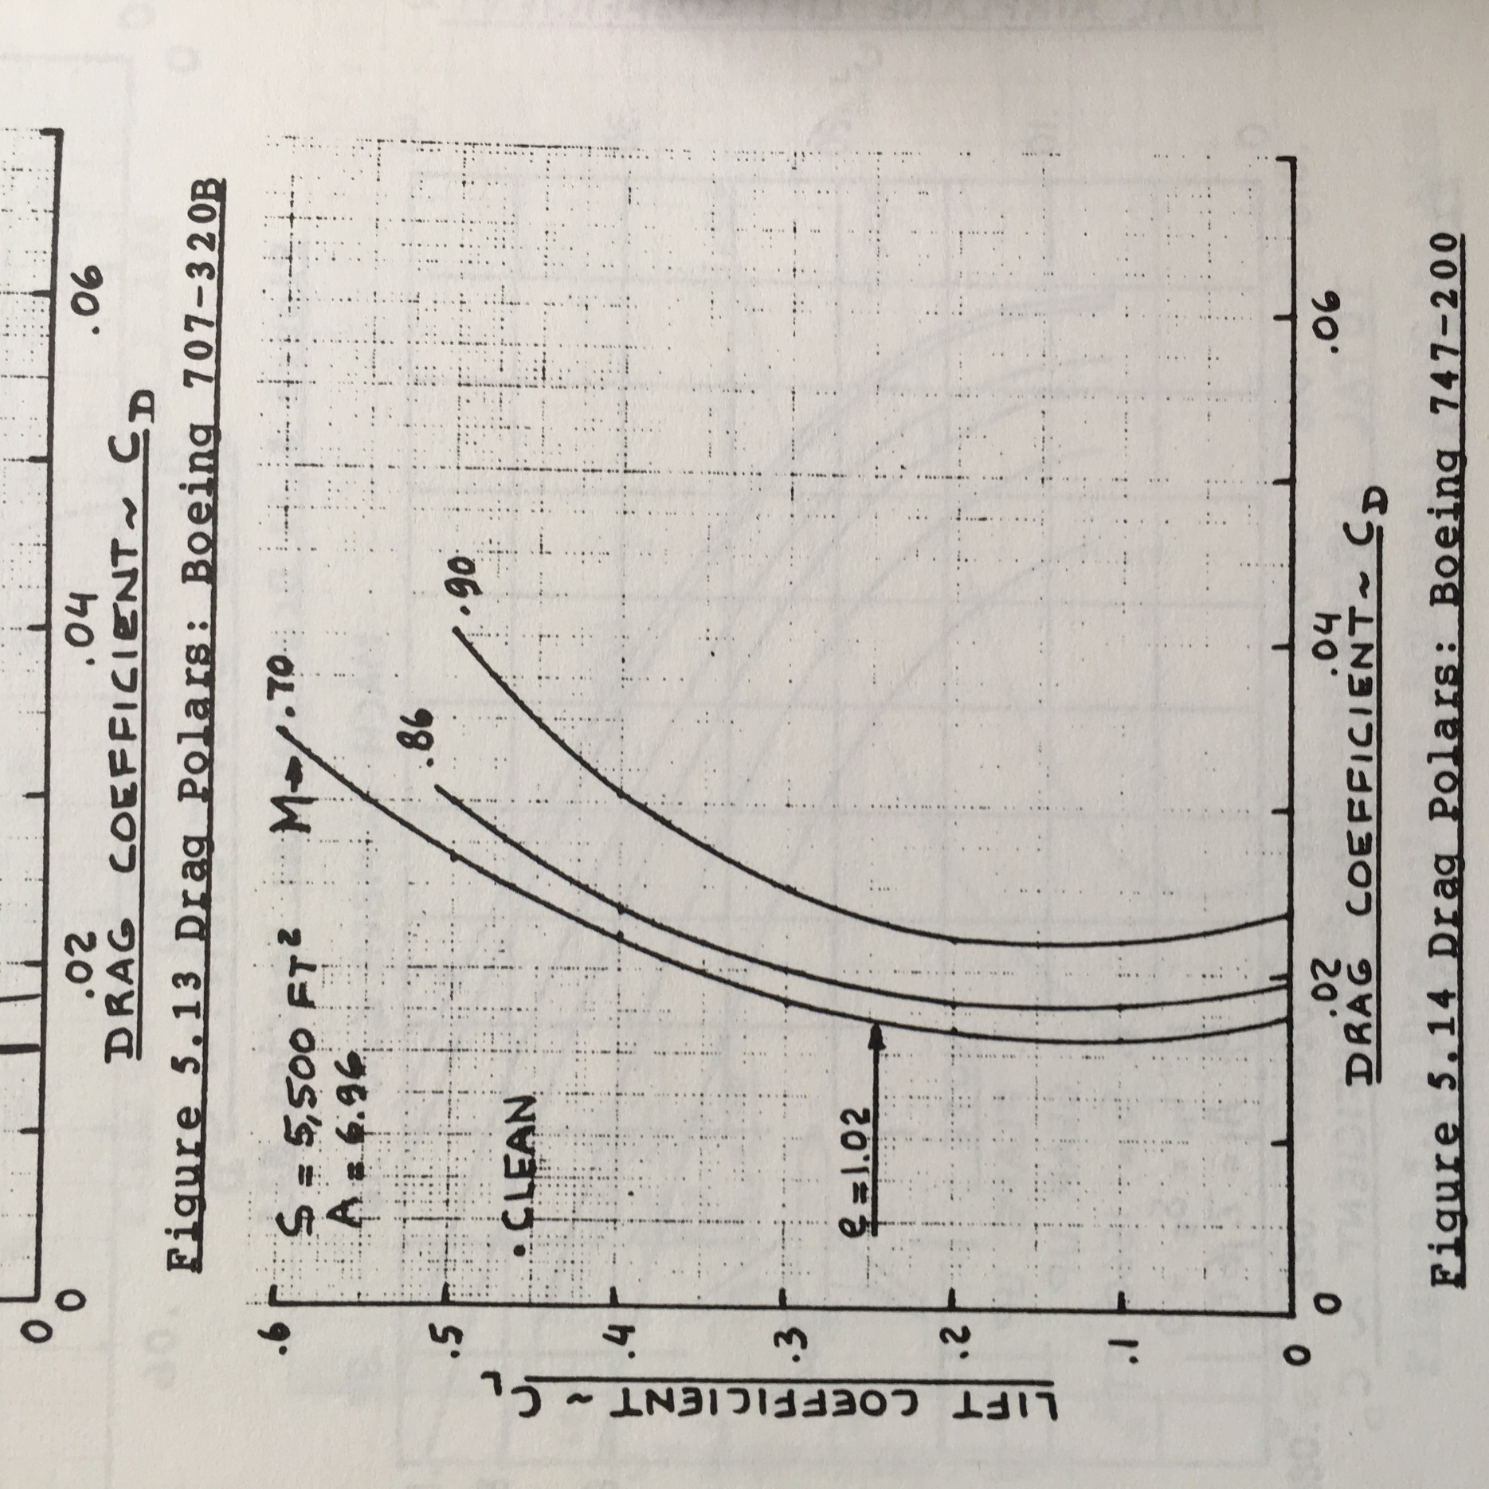
 |  | CL | CD
 |  | 0.5922 | 0.0342
 |  | 0.5683 | 0.0323
 |  | 0.5473 | 0.0306
 |  | 0.5240 | 0.0290
 |  | 0.4962 | 0.0273
 |  | 0.4724 | 0.0259
 |  | 0.4486 | 0.0247
 |  | 0.4219 | 0.0232
 |  | 0.3981 | 0.0224
 |  | 0.3719 | 0.0212
 |  | 0.3486 | 0.0203
 |  | 0.3234 | 0.0194
 |  | 0.3001 | 0.0186
 |  | 0.2735 | 0.0182
 |  | 0.2493 | 0.0174
 |  | 0.2236 | 0.0171
 |  | 0.2009 | 0.0169
 |  | 0.1738 | 0.0165
 |  | 0.1525 | 0.0165
 |  | 0.1255 | 0.0163
 |  | 0.1037 | 0.0165
 |  | 0.0781 | 0.0166
 |  | 0.0550 | 0.0168
 |  | 0.0285 | 0.0173
 |  | 0.0039 | 0.0180

 |  |  |  | a

**FOR THE ASEN 2004 AERO LAB, USE THE M = 0.7 CURVE ONLY
SOURCE: | Roskam, J., Airplane Design Part VI: Preliminary Calculation of Aerodynamic, Thrust and Power Characteristics, University of Kansas, 1990.

Alpha vs. Cl
Tempest CFD Wing 2D and 3D Coefficient of Lift
 | CL-2D | CL–3D Approximation
-5 | -0.4166 | -0.251897
-4 | -0.2734 | -0.159548
-3 | -0.125 | -0.0671991
-2 | 0.0032 | 0.02515
-1 | 0.2136 | 0.117499
0 | 0.3312 | 0.209848
1 | 0.4263 | 0.302197
2 | 0.5241 | 0.394546
3 | 0.6236 | 0.486895
4 | 0.7217 | 0.579244
5 | 0.8165 | 0.671593
6 | 0.9059 | 0.763942
7 | 0.9889 | 0.856291
8 | 1.0582 | 0.94864
9 | 1.1042 | 1.04099
10 | 1.1555 | 1.13334
11.25 | 1.1303
12 | 1.097
Tempest CFD
Alpha | CL-2D | CL–3D Approximation
-5 | -0.4166 | -0.251897
-4 | -0.2734 | -0.159548
-3 | -0.125 | -0.0671991
-2 | 0.0032 | 0.02515
-1 | 0.2136 | 0.117499
0 | 0.3312 | 0.209848
1 | 0.4263 | 0.302197
2 | 0.5241 | 0.394546
3 | 0.6236 | 0.486895
4 | 0.7217 | 0.579244
5 | 0.8165 | 0.671593
6 | 0.9059 | 0.763942
7 | 0.9889 | 0.856291
8 | 1.0582 | 0.94864
9 | 1.1042 | 1.04099
10 | 1.1555 | 1.13334
11.25 | 1.1303
12 | 1.097

Boeing 747 – 200
Alpha | CL-2D | CL–3D Approximation
-5 | -0.3505 | -0.252903
Boeing 747 - 200 Wing 2D and 3D Coefficient of Lift
 | CL-2D | CL–3D Approximation
-5 | -0.3505 | -0.252903
-4 | -0.2514 | -0.180634
-3 | -0.1493 | -0.108365
-2 | -0.0318 | -0.0360952
-1 | 0.0912 | 0.0361742
0 | 0.2133 | 0.108444
1 | 0.3048 | 0.180713
2 | 0.318 | 0.252982
3 | 0.3925 | 0.325252
4 | 0.4889 | 0.397521
5 | 0.5855 | 0.46979
6 | 0.6808 | 0.54206
7 | 0.7744 | 0.614329
8 | 0.8721 | 0.686598
9 | 0.9729 | 0.758868
10 | 1.061 | 0.831137
11 | 1.1263 | 0.903406
12 | 0.9165
13 | 0.7781
-4 | -0.2514 | -0.180634
-3 | -0.1493 | -0.108365
-2 | -0.0318 | -0.0360952
-1 | 0.0912 | 0.0361742
0 | 0.2133 | 0.108444
1 | 0.3048 | 0.180713
2 | 0.318 | 0.252982
3 | 0.3925 | 0.325252
4 | 0.4889 | 0.397521
5 | 0.5855 | 0.46979
6 | 0.6808 | 0.54206
7 | 0.7744 | 0.614329
8 | 0.8721 | 0.686598
9 | 0.9729 | 0.758868
10 | 1.061 | 0.831137
11 | 1.1263 | 0.903406
12 | 0.9165
13 | 0.7781

Drag Polar
Tempest CFD Drag Polar
 | CD-2D |  | CD-3D |  | CD-Raymers |  | CD-Obert |  | CD-Truth
-0.4166 | 0.04049 | -0.251897 | 0.0418501 | -0.251897 | 0.0219516 | -0.251897 | 0.0212914 | -0.32438 | 0.044251
-0.2734 | 0.02 | -0.159548 | 0.0205456 | -0.159548 | 0.0200356 | -0.159548 | 0.0196643 | -0.21503 | 0.033783
-0.125 | 0.01439 | -0.0671991 | 0.0144868 | -0.0671991 | 0.0186671 | -0.0671991 | 0.018502 | -0.10081 | 0.028627
0.0032 | 0.01054 | 0.02515 | 0.0105536 | 0.02515 | 0.0178459 | 0.02515 | 0.0178047 | 0.010503 | 0.025864
0.2136 | 0.00976 | 0.117499 | 0.0100559 | 0.117499 | 0.0175722 | 0.117499 | 0.0175722 | 0.12155 | 0.024643
0.3312 | 0.00933 | 0.209848 | 0.0102739 | 0.209848 | 0.0178459 | 0.209848 | 0.0178047 | 0.24163 | 0.025099
0.4263 | 0.00906 | 0.302197 | 0.0110175 | 0.302197 | 0.0186671 | 0.302197 | 0.018502 | 0.34336 | 0.025635
0.5241 | 0.00898 | 0.394546 | 0.0123167 | 0.394546 | 0.0200356 | 0.394546 | 0.0196643 | 0.45256 | 0.02766
0.6236 | 0.00928 | 0.486895 | 0.0143615 | 0.486895 | 0.0219516 | 0.486895 | 0.0212914 | 0.56037 | 0.030677
0.7217 | 0.0101 | 0.579244 | 0.017292 | 0.579244 | 0.0244151 | 0.579244 | 0.0233834 | 0.66625 | 0.034855
0.8165 | 0.01133 | 0.671593 | 0.020998 | 0.671593 | 0.0274259 | 0.671593 | 0.0259404 | 0.76942 | 0.040403
0.9059 | 0.01314 | 0.763942 | 0.0256496 | 0.763942 | 0.0309842 | 0.763942 | 0.0289622 | 0.86923 | 0.04759
0.9889 | 0.01573 | 0.856291 | 0.0314469 | 0.856291 | 0.0350899 | 0.856291 | 0.032449 | 0.96386 | 0.057108
1.0582 | 0.02012 | 0.94864 | 0.0394098 | 0.94864 | 0.039743 | 0.94864 | 0.0364006 | 1.0441 | 0.070132
1.1042 | 0.02723 | 1.04099 | 0.0504582 | 1.04099 | 0.0449436 | 1.04099 | 0.0408171 | 1.0743 | 0.090921
1.1555 | 0.03641 | 1.13334 | 0.0639423 | 1.13334 | 0.0506916 | 1.13334 | 0.0456986 | 1.0807 | 0.11193
1.1303 | 0.05193 |  |  |  |  |  |  | 1.0379 | 0.13254
1.097 | 0.06243 |  |  |  |  |  |  | 1.034 | 0.15645
Tempest CFD
CL-2D | CD-2D | CL-3D | CD-3D | CL-Raymers | CD-Raymers | CL-Obert | CD-Obert | CL-Truth | CD-Truth
-0.4166 | 0.04049 | -0.251897 | 0.0418501 | -0.251897 | 0.0219516 | -0.251897 | 0.0212914 | -0.32438 | 0.044251
-0.2734 | 0.02 | -0.159548 | 0.0205456 | -0.159548 | 0.0200356 | -0.159548 | 0.0196643 | -0.21503 | 0.033783
-0.125 | 0.01439 | -0.0671991 | 0.0144868 | -0.0671991 | 0.0186671 | -0.0671991 | 0.018502 | -0.10081 | 0.028627
0.0032 | 0.01054 | 0.02515 | 0.0105536 | 0.02515 | 0.0178459 | 0.02515 | 0.0178047 | 0.010503 | 0.025864
0.2136 | 0.00976 | 0.117499 | 0.0100559 | 0.117499 | 0.0175722 | 0.117499 | 0.0175722 | 0.12155 | 0.024643
0.3312 | 0.00933 | 0.209848 | 0.0102739 | 0.209848 | 0.0178459 | 0.209848 | 0.0178047 | 0.24163 | 0.025099
0.4263 | 0.00906 | 0.302197 | 0.0110175 | 0.302197 | 0.0186671 | 0.302197 | 0.018502 | 0.34336 | 0.025635
0.5241 | 0.00898 | 0.394546 | 0.0123167 | 0.394546 | 0.0200356 | 0.394546 | 0.0196643 | 0.45256 | 0.02766
0.6236 | 0.00928 | 0.486895 | 0.0143615 | 0.486895 | 0.0219516 | 0.486895 | 0.0212914 | 0.56037 | 0.030677
0.7217 | 0.0101 | 0.579244 | 0.017292 | 0.579244 | 0.0244151 | 0.579244 | 0.0233834 | 0.66625 | 0.034855
0.8165 | 0.01133 | 0.671593 | 0.020998 | 0.671593 | 0.0274259 | 0.671593 | 0.0259404 | 0.76942 | 0.040403
0.9059 | 0.01314 | 0.763942 | 0.0256496 | 0.763942 | 0.0309842 | 0.763942 | 0.0289622 | 0.86923 | 0.04759
0.9889 | 0.01573 | 0.856291 | 0.0314469 | 0.856291 | 0.0350899 | 0.856291 | 0.032449 | 0.96386 | 0.057108
1.0582 | 0.02012 | 0.94864 | 0.0394098 | 0.94864 | 0.039743 | 0.94864 | 0.0364006 | 1.0441 | 0.070132
1.1042 | 0.02723 | 1.04099 | 0.0504582 | 1.04099 | 0.0449436 | 1.04099 | 0.0408171 | 1.0743 | 0.090921
1.1555 | 0.03641 | 1.13334 | 0.0639423 | 1.13334 | 0.0506916 | 1.13334 | 0.0456986 | 1.0807 | 0.11193
1.1303 | 0.05193 |  |  |  |  |  |  | 1.0379 | 0.13254
1.097 | 0.06243 |  |  |  |  |  |  | 1.034 | 0.15645

 | CD-2D |  | CD-3D |  | CD-Raymers |  | CD-Obert |  | CD-Truth
-0.3505 | 0.00953 | -0.252903 | 0.0127616 | -0.252903 | 0.0226711 | -0.252903 | 0.0227179 | 0.5921533 | 0.034169186
-0.2514 | 0.00852 | -0.180634 | 0.0101686 | -0.180634 | 0.02069 | -0.180634 | 0.0207163 | 0.5682779 | 0.0323101
-0.1493 | 0.00741 | -0.108365 | 0.00800331 | -0.108365 | 0.019275 | -0.108365 | 0.0192867 | 0.54732245 | 0.03064623
-0.0318 | 0.00584 | -0.0360952 | 0.00590583 | -0.0360952 | 0.0184259 | -0.0360952 | 0.0184289 | 0.5239519 | 0.028985161
0.0912 | 0.0055 | 0.0361742 | 0.00556612 | 0.0361742 | 0.0181429 | 0.0361742 | 0.0181429 | 0.49622858 | 0.027279483
0.2133 | 0.00509 | 0.108444 | 0.00568418 | 0.108444 | 0.0184259 | 0.108444 | 0.0184289 | 0.4724022 | 0.0258672
0.3048 | 0.00506 | 0.180713 | 0.00671001 | 0.180713 | 0.019275 | 0.180713 | 0.0192867 | 0.44860303 | 0.024703141
0.318 | 0.00743 | 0.252982 | 0.0106636 | 0.252982 | 0.02069 | 0.252982 | 0.0207163 | 0.421873 | 0.02324457
0.3925 | 0.00948 | 0.325252 | 0.014825 | 0.325252 | 0.0226711 | 0.325252 | 0.0227179 | 0.39810652 | 0.02237838
0.4889 | 0.01033 | 0.397521 | 0.0183142 | 0.397521 | 0.0252182 | 0.397521 | 0.0252913 | 0.37188676 | 0.021167474
0.5855 | 0.01132 | 0.46979 | 0.0224711 | 0.46979 | 0.0283313 | 0.46979 | 0.0284365 | 0.34859782 | 0.02025108
0.6808 | 0.01256 | 0.54206 | 0.0274058 | 0.54206 | 0.0320104 | 0.54206 | 0.0321537 | 0.32338226 | 0.019386569
0.7744 | 0.01441 | 0.614329 | 0.0334783 | 0.614329 | 0.0362556 | 0.614329 | 0.0364427 | 0.30010968 | 0.01861911
0.8721 | 0.01634 | 0.686598 | 0.0401585 | 0.686598 | 0.0410668 | 0.686598 | 0.0413035 | 0.27348855 | 0.018153438
0.9729 | 0.02052 | 0.758868 | 0.0496166 | 0.758868 | 0.046444 | 0.758868 | 0.0467363 | 0.24925536 | 0.017436745
1.061 | 0.02498 | 0.831137 | 0.0598824 | 0.831137 | 0.0523872 | 0.831137 | 0.0527408 | 0.22361663 | 0.017118888
1.1263 | 0.03112 | 0.903406 | 0.0723559 | 0.903406 | 0.0588965 | 0.903406 | 0.0593173 | 0.20088698 | 0.016896965
0.9165 | 0.07156 |  |  |  |  |  |  | 0.17379372 | 0.016531143
0.7781 | 0.14138 |  |  |  |  |  |  | 0.1525295 | 0.016456475
 |  |  |  |  |  |  |  | 0.12546346 | 0.01633888
 |  |  |  |  |  |  |  | 0.10373797 | 0.01646335
 |  |  |  |  |  |  |  | 0.07814825 | 0.0165923
 |  |  |  |  |  |  |  | 0.054984573 | 0.016817741
 |  |  |  |  |  |  |  | 0.028472349 | 0.017344968
 |  |  |  |  |  |  |  | 0.0039031347 | 0.017969249
Boeing 747 – 200
CL-2D | CD-2D | CL-3D | CD-3D | CL-Raymers | CD-Raymers | CL-Obert | CD-Obert | CL-Truth | CD-Truth
-0.3505 | 0.00953 | -0.252903 | 0.0127616 | -0.252903 | 0.0226711 | -0.252903 | 0.0227179 | 0.5922 | 0.0342
-0.2514 | 0.00852 | -0.180634 | 0.0101686 | -0.180634 | 0.02069 | -0.180634 | 0.0207163 | 0.5683 | 0.0323
-0.1493 | 0.00741 | -0.108365 | 0.00800331 | -0.108365 | 0.019275 | -0.108365 | 0.0192867 | 0.5473 | 0.0306
-0.0318 | 0.00584 | -0.0360952 | 0.00590583 | -0.0360952 | 0.0184259 | -0.0360952 | 0.0184289 | 0.5240 | 0.0290
0.0912 | 0.0055 | 0.0361742 | 0.00556612 | 0.0361742 | 0.0181429 | 0.0361742 | 0.0181429 | 0.4962 | 0.0273
0.2133 | 0.00509 | 0.108444 | 0.00568418 | 0.108444 | 0.0184259 | 0.108444 | 0.0184289 | 0.4724 | 0.0259
0.3048 | 0.00506 | 0.180713 | 0.00671001 | 0.180713 | 0.019275 | 0.180713 | 0.0192867 | 0.4486 | 0.0247
0.318 | 0.00743 | 0.252982 | 0.0106636 | 0.252982 | 0.02069 | 0.252982 | 0.0207163 | 0.4219 | 0.0232
0.3925 | 0.00948 | 0.325252 | 0.014825 | 0.325252 | 0.0226711 | 0.325252 | 0.0227179 | 0.3981 | 0.0224
0.4889 | 0.01033 | 0.397521 | 0.0183142 | 0.397521 | 0.0252182 | 0.397521 | 0.0252913 | 0.3719 | 0.0212
0.5855 | 0.01132 | 0.46979 | 0.0224711 | 0.46979 | 0.0283313 | 0.46979 | 0.0284365 | 0.3486 | 0.0203
0.6808 | 0.01256 | 0.54206 | 0.0274058 | 0.54206 | 0.0320104 | 0.54206 | 0.0321537 | 0.3234 | 0.0194
0.7744 | 0.01441 | 0.614329 | 0.0334783 | 0.614329 | 0.0362556 | 0.614329 | 0.0364427 | 0.3001 | 0.0186
0.8721 | 0.01634 | 0.686598 | 0.0401585 | 0.686598 | 0.0410668 | 0.686598 | 0.0413035 | 0.2735 | 0.0182
0.9729 | 0.02052 | 0.758868 | 0.0496166 | 0.758868 | 0.046444 | 0.758868 | 0.0467363 | 0.2493 | 0.0174
1.061 | 0.02498 | 0.831137 | 0.0598824 | 0.831137 | 0.0523872 | 0.831137 | 0.0527408 | 0.2236 | 0.0171
1.1263 | 0.03112 | 0.903406 | 0.0723559 | 0.903406 | 0.0588965 | 0.903406 | 0.0593173 | 0.2009 | 0.0169
0.9165 | 0.07156 |  |  |  |  |  |  | 0.1738 | 0.0165
0.7781 | 0.14138 |  |  |  |  |  |  | 0.1525 | 0.0165
 |  |  |  |  |  |  |  | 0.1255 | 0.0163
 |  |  |  |  |  |  |  | 0.1037 | 0.0165
 |  |  |  |  |  |  |  | 0.0781 | 0.0166
 |  |  |  |  |  |  |  | 0.0550 | 0.0168
 |  |  |  |  |  |  |  | 0.0285 | 0.0173
 |  |  |  |  |  |  |  | 0.0039 | 0.0180

